Unclear_topic
Meta Class
 | ? Do more fuction than a class

@login
 | ? Required to login then do function

@a_certain_function
 | ? Decorator, Do a_certain_function NOT change the origin function

__init__.py

 | http://effbot.org/pyfaq/what-is-init-py-used-for.htm
 | https://medium.com/@ramrajchandradevan/python-init-py-modular-imports-81b746e58aae
 | What is __init__.py used for? Files named __init__.py are used to mark directories on disk as a Python package directories. If you have the files mydir/spam/__init__.py mydir/spam/module.py and mydir is on your path, you can import the code in module.py as: import spam.module or from spam import module If you remove the __init__.py file, Python will no longer look for submodules inside that directory, so attempts to import the module will fail. The __init__.py file is usually empty, but can be used to export selected portions of the package under more convenient names, hold convenience functions, etc. Given the example above, the contents of the __init__ module can be accessed as import spam CATEGORY: programming | PackagePy

 |  | 1. module1

 |  | 2. module0

 |  | 3. module1

 |  | 4. module2

 |  | 5. module3

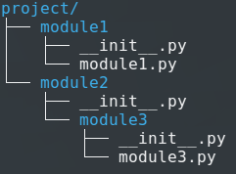

app_name = 'user' ( in urls.py )
href="{% url "basic_app:index" %}">
{% url 'polls:index' %}
 | https://docs.djangoproject.com/en/2.2/topics/http/urls/#term-application-namespace
 | The app_name is used to reference your urls else where. You will also see referenced as namespacing. If you would have two different apps with the same url name, it wouldn't always pick the right one. So you namespace them and call them as such: {% url 'employee:name' %} {% url 'customer:name' %} Namespaces can also be nested. The named URL 'sports:polls:index' would look for a pattern named 'index' in the namespace 'polls' that is itself defined within the top-level namespace 'sports'.

roadmap
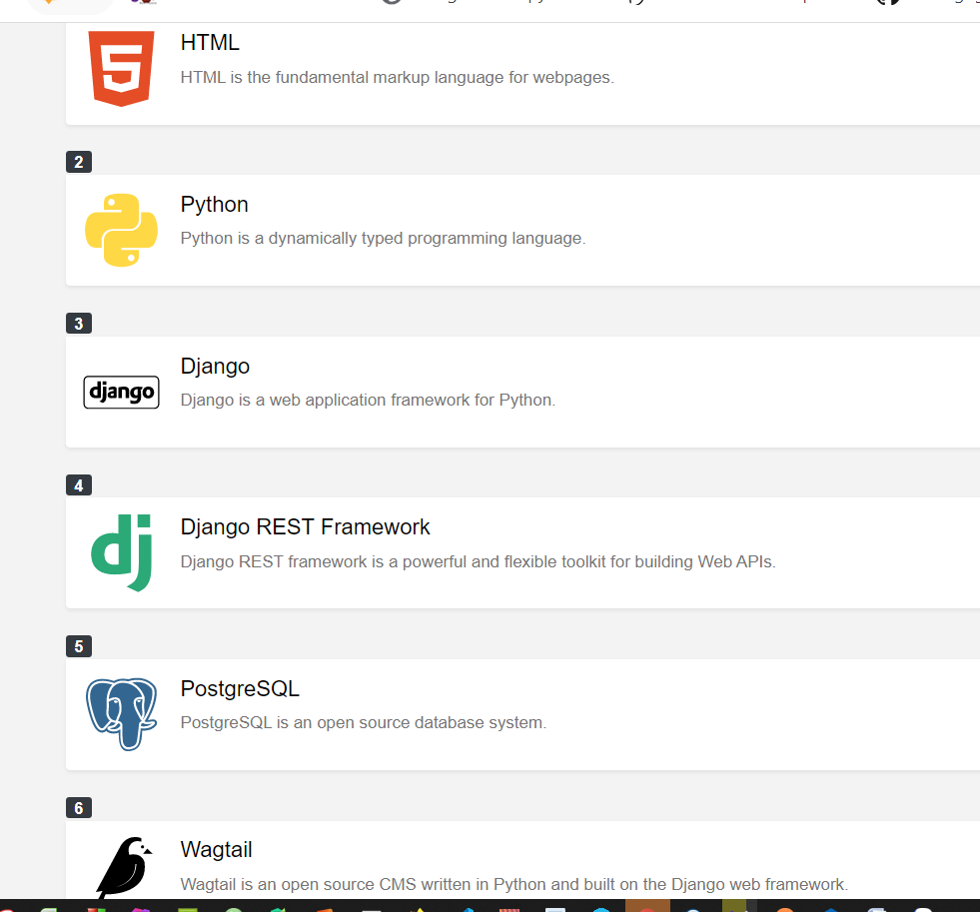
https://www.votelearn.com/learning-paths/backend-web-developer-roadmap-with-django/

